Sheet2
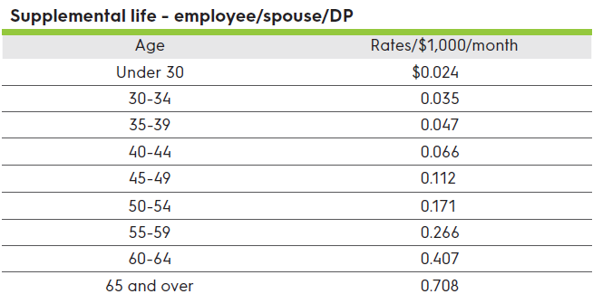
Age | Rate per 1,000
Under 30 | 0.024
30-34 | 0.035
35-39 | 0.047
40-44 | 0.066
45-49 | 0.112
50-54 | 0.171
55-59 | 0.266
60-64 | 0.407
65 and over | 0.708

